Status of Test Cases
Pie-Chart | To visualize the status of test cases.

Distribution of Test Cases Results

Control Chart Sprint 5
Control Chart

Input File | BST Koridor 1 Travel Diaries - 2025- FINAL.xlsx

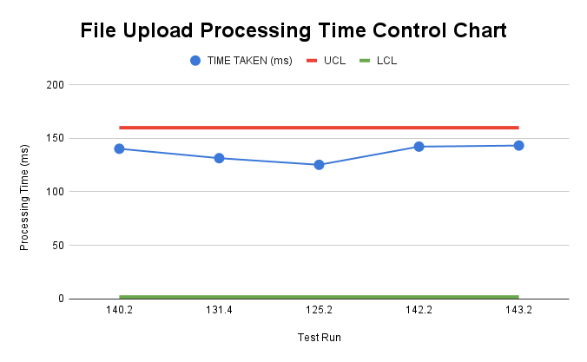
 | TEST RUN | TIME TAKEN (ms) | UCL | LCL
 | TEST 1 | 140.2 | 159.9068277 | 0
 | TEST 2 | 131.4 | 159.9068277 | 0
 | TEST 3 | 125.2 | 159.9068277 | 0
 | TEST 4 | 142.2 | 159.9068277 | 0
 | TEST 5 | 143.2 | 159.9068277 | 0

 | MEAN OF THE TIME TAKEN |  | 136.44
 | STANDARD DEVIATION |  | 7.822275884
 | UCL |  | 159.9068277
 | LCL |  | 0

 |  |  | Insights:
 |  |  | - This chart displays the processing times for 5 different test runs of file uploads. The blue line represents the actual processing times for each test, measured in milliseconds. - The Upper Control Limit (UCL) is indicated by the red line at 159.90 milliseconds. This is the maximum threshold for acceptable processing time. Any value above this line would be considered out of control. - The Lower Control Limit (LCL) is indicated by the yellow line at 0 milliseconds. This represents the minimum processing time, which should not be exceeded. - In this chart, the points representing the processing times are all below the UCL, meaning the process is under control. The UCL and LCL help ensure the file upload process runs consistently within the desired range.

